Bug Report Template Examples
Bug ID | Bug Title | Steps To Reproduce | Expected Result | Actual Result | Severity | Priority | Environment | Reporter | Assigned To | Attachments | Status
Bug- Adding to cart - 001 | Unable to Increase Product Quantity Beyond 2 in Cart | 1-Open https://academybugs.com 2-Add one or more products to the cart 3-Click the "View cart" link on top of the page 4-Set the products quantity to 3 or more 5-Click "update" below | The product quantity can be increased past 2 | When clicking on the update button the product quantity becomes 2 again | High | High | Device : Laptop hp OS : Windows 10 Browser : Edge Env : Production | Ahmed Ayman | Back End Team | 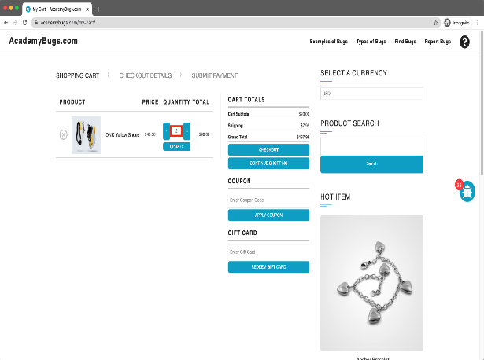 | New
Bug- Grand total - 002 | the sum of the grand total is wrong | 1-Open https://academybugs.com 2-Add one or more products to the cart 3-Click the "View cart" link on top of the page, or click "Continue to Shipping" in the checkout details page | The grand total is equal to the sum of all products in the cart | The grand total is $100 more than the sum of all products in the cart | Critical | High | Device : Laptop hp OS : Windows 10 Browser : Edge Env : Production | Ahmed Ayman | Back End Team | 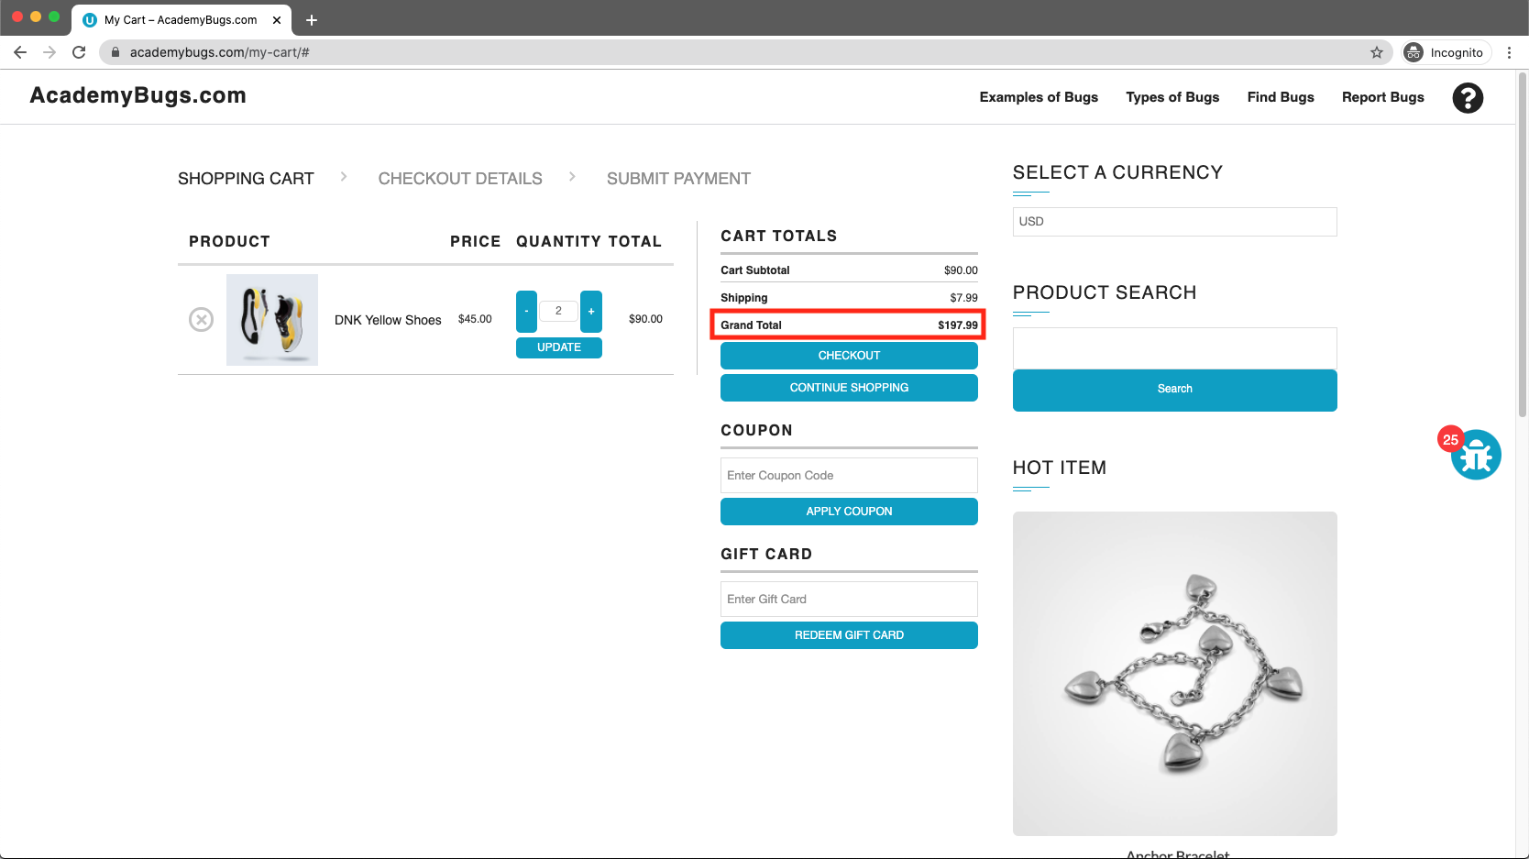 | New
Bug- manufacturer link - 003 | the manufacturer link in the product details page is broken. | 1-Open https://academybugs.com 2-Open a product 3-Click the manufacturer link under the quantity | The manufacturer link shows an appropriate page | The manufacturer link opens an error page | meduim | meduim | Device : Laptop hp OS : Windows 10 Browser : Edge Env : Production | Ahmed Ayman | Back End Team | 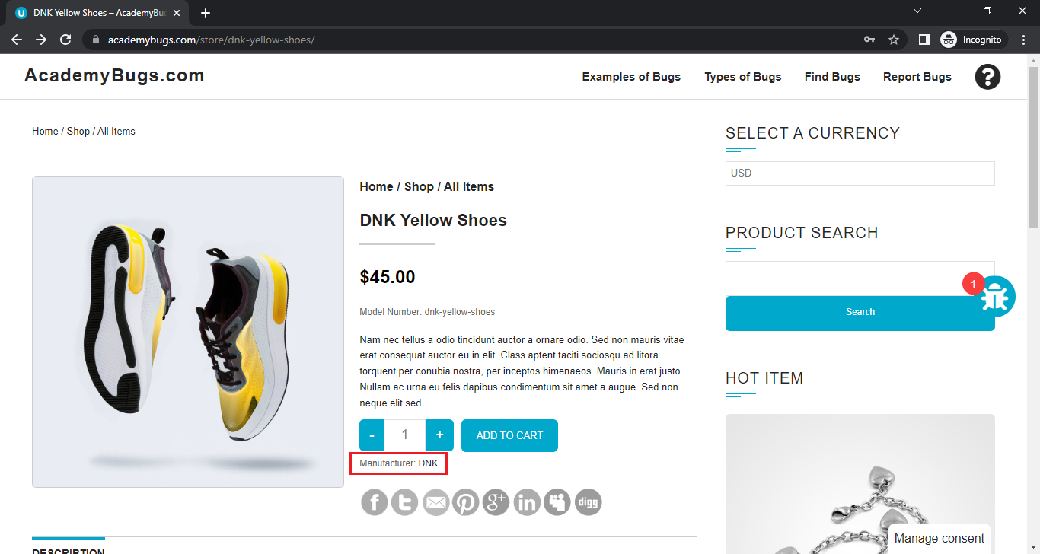 | New
Bug- price filter - 004 | the filter by price doesn't work in the product details or product list pages. | 1-Open https://academybugs.com 2-Open a product 3-On the right side menu find the Filter by Price section 4-Select any of the price ranges 5-Also open any item from the right side Store Menu and select the price ranges on the right side menu | A list of products in the selected price range is shown | The same page reloads | meduim | High | Device : Laptop hp OS : Windows 10 Browser : Edge Env : Production | Ahmed Ayman | Back End Team | 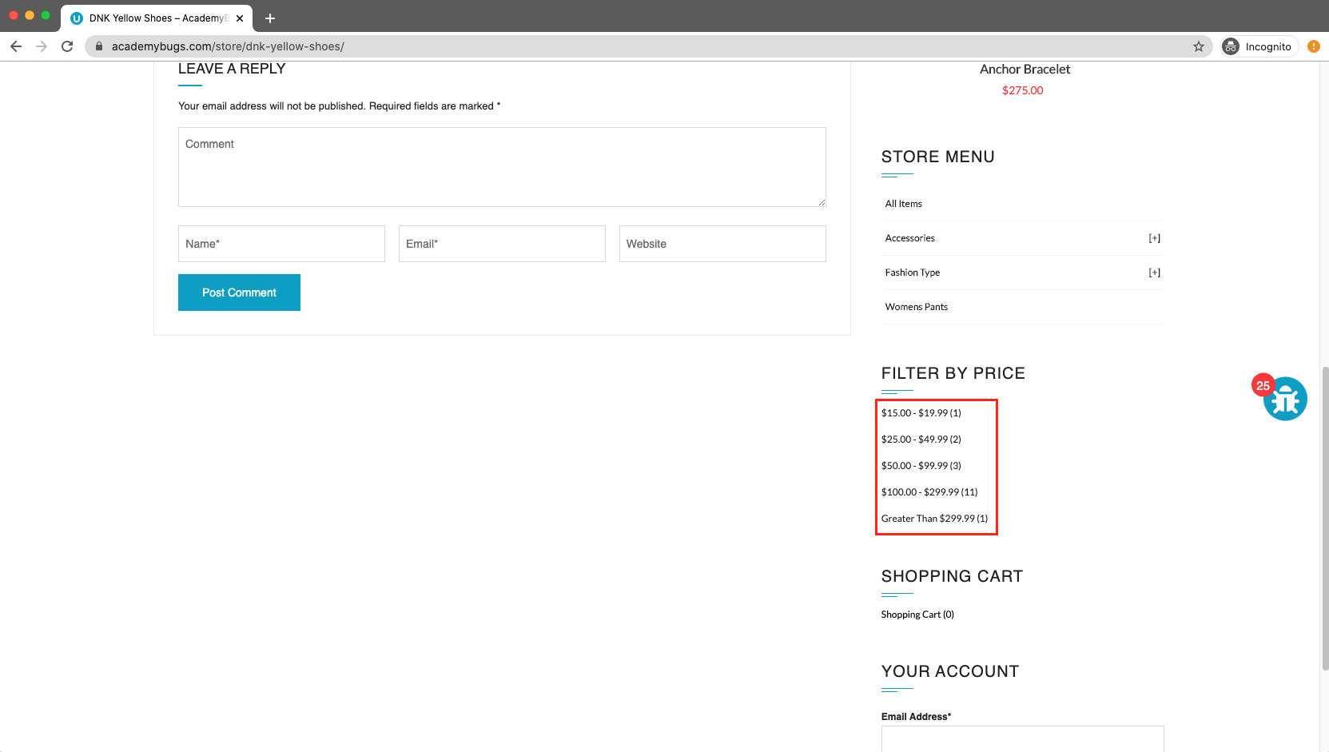 | New
Bug- twitter button - 005 | twitter share button in the product details page is broken. | 1-Open https://academybugs.com 2-Open a product 3-Click the twitter share button | The twitter share button shows an appropriate page | The twitter share button shows an error page | meduim | meduim | Device : Laptop hp OS : Windows 10 Browser : Edge Env : Production | Ahmed Ayman | Back End Team | 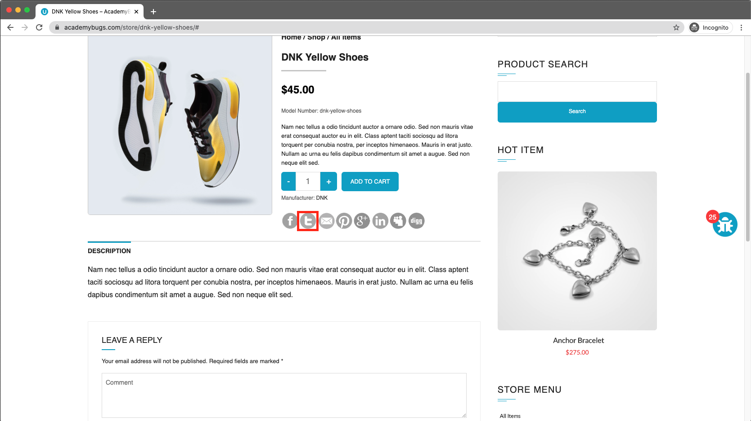 | New
Bug- currency - 006 | the page freezes when changing the currency. | 1-Open https://academybugs.com 2-Open a product 3-Change the currency in the right side menu | The currency is changed as expected | The page freezes when changing the currency to anthor currency | High | High | Device : Laptop hp OS : Windows 10 Browser : Edge Env : Production | Ahmed Ayman | Back End Team | 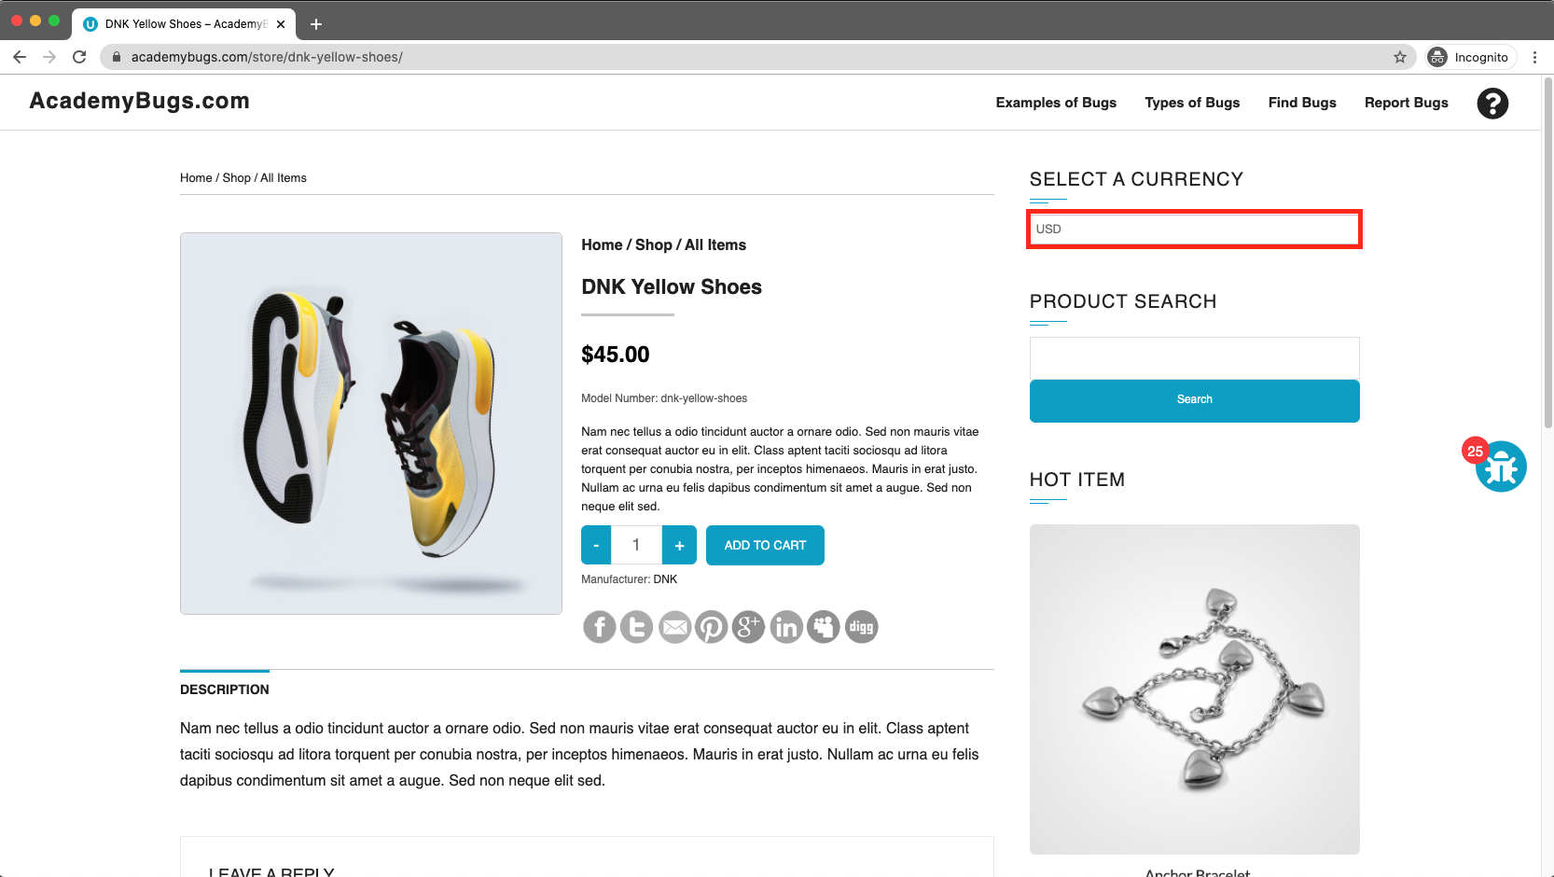 | New
Bug- numbers of results - 007 | The page freezes when clicking on the numbers of results | 1-Open https://academybugs.com 2-Click on the buttons to show a certain number of results at the top left | The selected number of results is displayed according to the clicked buttons | the page becomes unresponsive when clicking on the numbers of results. | High | High | Device : Laptop hp OS : Windows 10 Browser : Edge Env : Production | Ahmed Ayman | Back End Team |  | New
Bug- Post Comment - 008 | The page becomes unresponsive when clicking on "Post Comment" | 1-Open https://academybugs.com 2-Open a product 3-Scroll down to the Leave a Reply section 4-Fill out the comment form with email = ahfe@gmail.com & name = ahmed & comment = good 5-Click "Post Comment" | The comment is posted under the product | the page freezes when clicking on the Post Comment button. | High | High | Device : Laptop hp OS : Windows 10 Browser : Edge Env : Production | Ahmed Ayman | Back End Team | 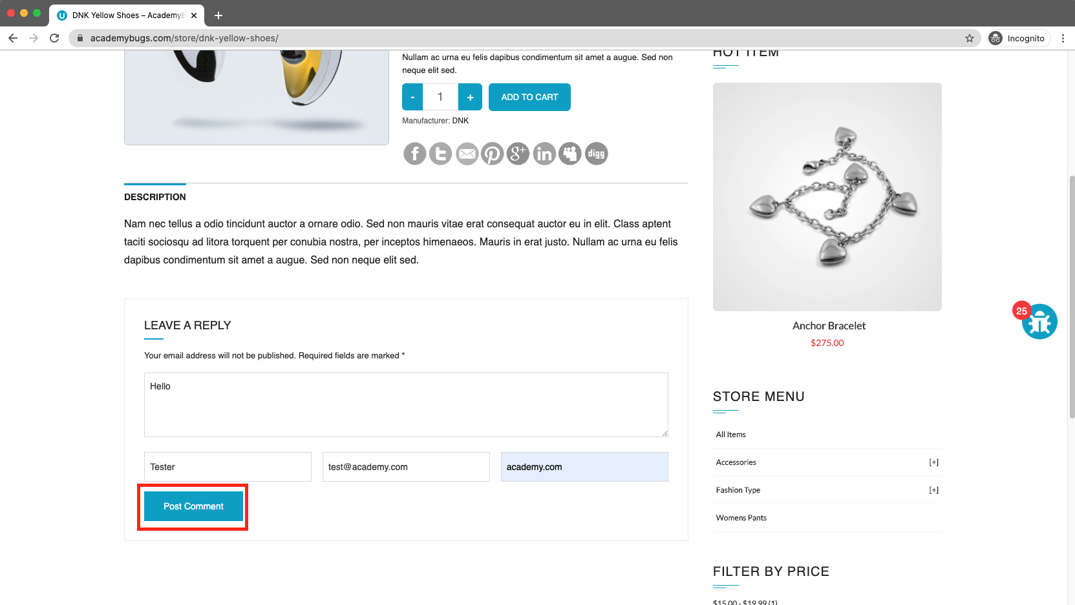 | New
Bug- Retrieve Password - 009 | the page becomes unresponsive when clicking on the Retrieve Password | 1-Open https://academybugs.com 2-Open a product 3-Scroll down to the Your Account section of the right side menu 4-Click "Sign Up" 5-In the Returning Customer section click "Forgot Your Password?" 6-Enter your email in the field and click "Retrieve Password" | The password is sent to the entered email | The page becomes unresponsive when clicking on "Retrieve Password" and no email is sent | High | High | Device : Laptop hp OS : Windows 10 Browser : Edge Env : Production | Ahmed Ayman | Back End Team | 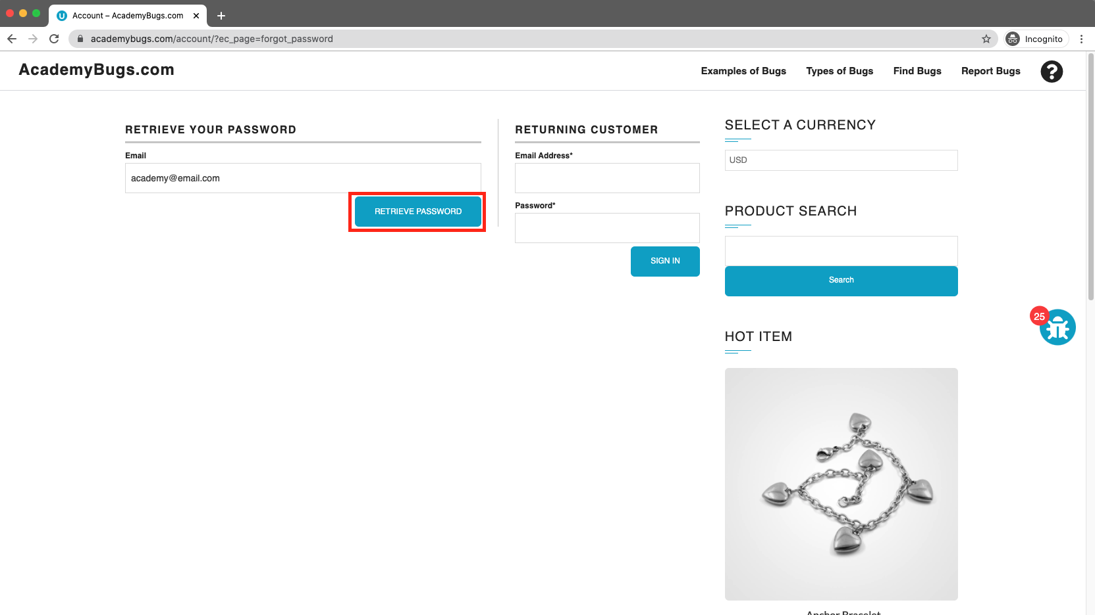 | New
Bug- colors - 010 | the page freezes when increasing the product quantity with colors chosen. | 1-Open https://academybugs.com 2-Open a product that has color options 3-Choose the pink or green color 4-Increase the product quantity by 1 or more | The quantity is increased to a desired value | The page becomes unresponsive when increasing the quantity with the pink or green colors chosen | High | High | Device : Laptop hp OS : Windows 10 Browser : Edge Env : Production | Ahmed Ayman | Back End Team |  | New

